3b. GSUISU 2-Winding
Inputs
MFO | 2.5 | May not be needed for ISU calcs
Interconnection Voltage (kV) | 25 | May not be needed for ISU calcs
Power Factor Requirement | 1 | May not be needed for ISU calcs
ISU High Voltage (kV) | 12.47
MVA | 2.5 | Select whole number >= inverter kVA (or MFO for GSU)
MVA Base S-B | 2.5

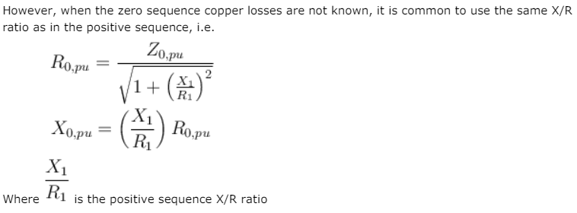
Intermediate Calcs
X/R | 10.00
%Z | 6%
ONAN Rating (MVA) | 2.5
ONAF1 Rating (MVA) | 4 | Using "1.33" factor for now
ONAF2 Rating (MVA) | 6 | Using "1.33" factor for now

Outputs
R1,R0 (ohms) | 0.0060 | positive and zero sequence are the same for transformers
X1,X0 (ohms) | 0.0597

Z-base Z-B (ohms) | 62.20036
Z impedance (ohms) | 3.7320216
R resistance (ohms) | 0.371
X reactance (ohms) | 3.714

Losses
Required Apparent Power (kVA) | 2500.00
High Side Current (A) | 115.75
Real Losses (kW) | 14.93
Reactive Losses (kVAR) | 149.26

MV105 Cable Data
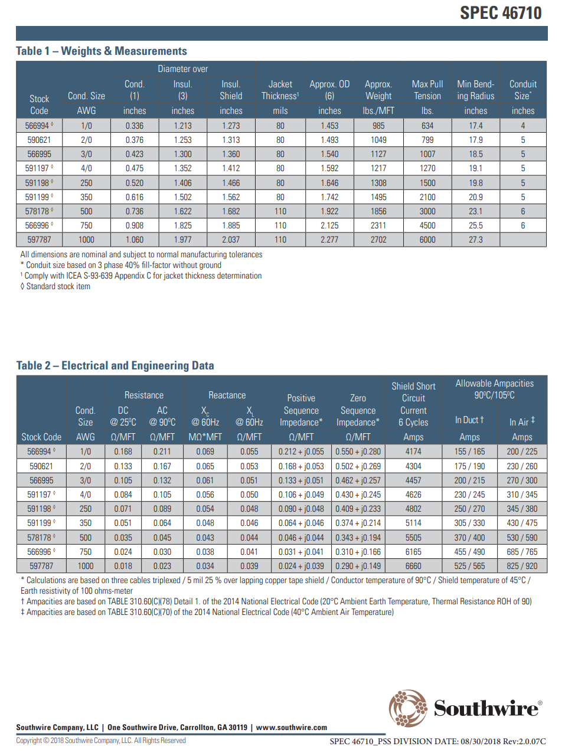
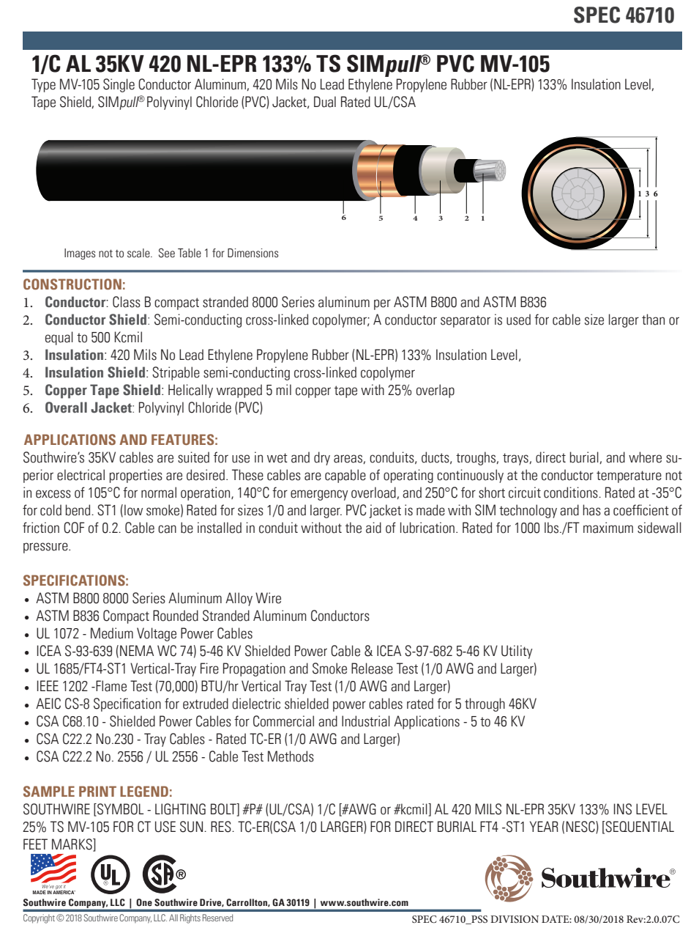
Size | Ampacity* | Resistance (ohms/kft) | Cap. Reactance (Mohms*kft) | Ind. Reactance (ohms/kft) | R1 (ohms/kft) | X1 (ohms/kft) | R0 (ohms/kft) | X0 (ohms/kft)
1000 | 525 | 0.023 | 0.034 | 0.039 | 0.024 | 0.039 | 0.29 | 0.149
750 | 455 | 0.030 | 0.038 | 0.041 | 0.031 | 0.041 | 0.31 | 0.166
500 | 370 | 0.045 | 0.043 | 0.044 | 0.046 | 0.044 | 0.343 | 0.194
350 | 305 | 0.064 | 0.048 | 0.046 | 0.064 | 0.046 | 0.374 | 0.214
250 | 250 | 0.089 | 0.054 | 0.048 | 0.09 | 0.048 | 0.409 | 0.233
4/0 | 230 | 0.105 | 0.056 | 0.05 | 0.106 | 0.049 | 0.43 | 0.245
3/0 | 200 | 0.132 | 0.061 | 0.051 | 0.133 | 0.051 | 0.462 | 0.257
2/0 | 175 | 0.167 | 0.065 | 0.053 | 0.168 | 0.053 | 0.502 | 0.269
1/0 | 155 | 0.211 | 0.069 | 0.055 | 0.212 | 0.055 | 0.55 | 0.28

* 90C in duct

Xfmr Data
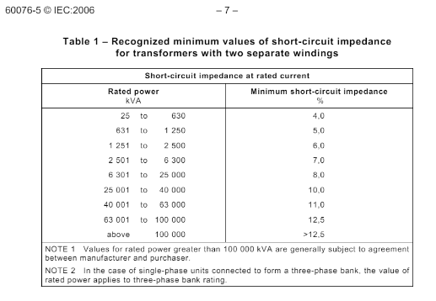
MVA | X/R | %Z
1 | 9.00 | 6%
2 | 10.00 | 6%
3 | 10.00 | 7%
4 | 10.00 | 7%
5 | 11.00 | 7%
6 | 11.50 | 7%
7 | 12.00 | 8%
8 | 13.00 | 8%
9 | 14.00 | 8%
10 | 15.00 | 8%
11 | 16.00 | 8%
12 | 17.00 | 8%
13 | 17.25 | 8%
14 | 17.50 | 8%
15 | 17.75 | 8%
16 | 18.00 | 8%
17 | 18.25 | 8%
18 | 18.50 | 8%
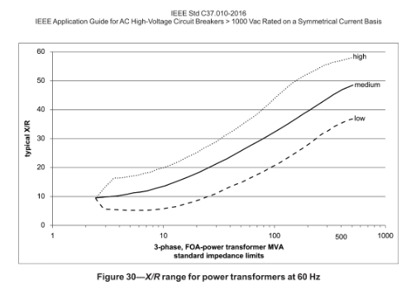
19 | 18.75 | 8%
20 | 19.00 | 8%
21 | 19.25 | 8%
22 | 19.75 | 8%
23 | 20.25 | 8%
24 | 20.75 | 8%
25 | 21.50 | 8%
26 | 21.75 | 10%
27 | 21.85 | 10%
28 | 21.90 | 10%
29 | 21.95 | 10%
30 | 22.00 | 10%
31 | 22.10 | 10%
32 | 22.30 | 10%
33 | 22.50 | 10%
34 | 22.65 | 10%
35 | 23.00 | 10%
36 | 23.15 | 10%
37 | 23.30 | 10%
38 | 23.65 | 10%
39 | 23.85 | 10%
40 | 24.00 | 10%
41 | 24.10 | 11%
42 | 24.20 | 11%
43 | 24.35 | 11%
44 | 24.45 | 11%
45 | 24.50 | 11%
46 | 24.60 | 11%
47 | 24.70 | 11%
48 | 24.80 | 11%
49 | 24.90 | 11%
50 | 25.00 | 11%
51 | 25.15 | 11%
52 | 25.30 | 11%
53 | 25.45 | 11%
54 | 25.60 | 11%
55 | 25.75 | 11%
56 | 25.90 | 11%
57 | 26.05 | 11%
58 | 26.20 | 11%
59 | 26.40 | 11%
60 | 26.50 | 11%
61 | 26.55 | 11%
62 | 26.70 | 11%
63 | 26.85 | 11%
64 | 27.00 | 12.5%
65 | 27.15 | 12.5%
66 | 27.30 | 12.5%
67 | 27.45 | 12.5%
68 | 27.60 | 12.5%
69 | 27.75 | 12.5%
70 | 28.00 | 12.5%
71 | 28.20 | 12.5%
72 | 28.40 | 12.5%
73 | 28.60 | 12.5%
74 | 28.80 | 12.5%
75 | 29.00 | 12.5%
76 | 29.20 | 12.5%
77 | 29.40 | 12.5%
78 | 29.60 | 12.5%
79 | 29.80 | 12.5%
80 | 30.00 | 12.5%
81 | 30.10 | 12.5%
82 | 30.20 | 12.5%
83 | 30.30 | 12.5%
84 | 30.40 | 12.5%
85 | 30.50 | 12.5%
86 | 30.60 | 12.5%
87 | 30.70 | 12.5%
88 | 30.80 | 12.5%
89 | 30.90 | 12.5%
90 | 31.00 | 12.5%
91 | 31.10 | 12.5%
92 | 31.20 | 12.5%
93 | 31.30 | 12.5%
94 | 31.40 | 12.5%
95 | 31.50 | 12.5%
96 | 31.60 | 12.5%
97 | 31.70 | 12.5%
98 | 31.80 | 12.5%
99 | 31.90 | 12.5%
100 | 32.00 | 12.5%
101 | 32.10 | 13%
102 | 32.20 | 13%
103 | 32.30 | 13%
104 | 32.40 | 13%
105 | 32.50 | 13%
106 | 32.60 | 13%
107 | 32.70 | 13%
108 | 32.80 | 13%
109 | 32.90 | 13%
110 | 33.00 | 13%

